Sheet1
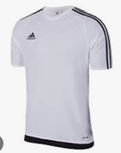

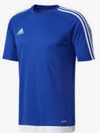
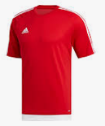
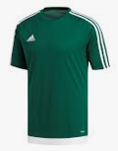
Description |  |  |  |  | Brand |  | Qty | Cost
ADIDAS ESTRO TEE |  |  |  |  | ADIDAS
 | KIDS | 116 | 128 | 140 | 152 | 164
Colour | ADULTS | S | M | L | XL | XXL
S16146 - WHITE/BLK | KIDS | 60 |  |  | 60 |  | 120
S16147- BLK/WHITE | KIDS | 120 | 120 |  | 60 | 60 | 360
S16148- BLUE/WHITE | KIDS | 120 | 60 | 60 | 60 | 60 | 360
S16149 - RED/WHITE | KIDS | 60 | 60 | 120 | 300 | 240 | 780
S16159 - GREEN/WHITE | KIDS | 60 | 60 | 60 | 60 | 60 | 300
S16146 - WHITE/BLK | ADULTS
S16147- BLK/WHITE | ADULTS | 240 | 180 | 120 | 240 | 60 | 840
S16148- BLUE/WHITE | ADULTS | 120 | 240 | 180 | 60 | 60 | 660
S16149 - RED/WHITE | ADULTS | 60 | 360 | 300 | 60 | 60 | 840
S16159 - GREEN/WHITE | ADULTS | 60 | 180 | 180 | 60 | 60 | 540

 |  |  |  |  |  |  | 4800

